UT Document Proofs
 | Mapping Name / MCTName
Scenario ID:
MCT First Run Status In IDMC

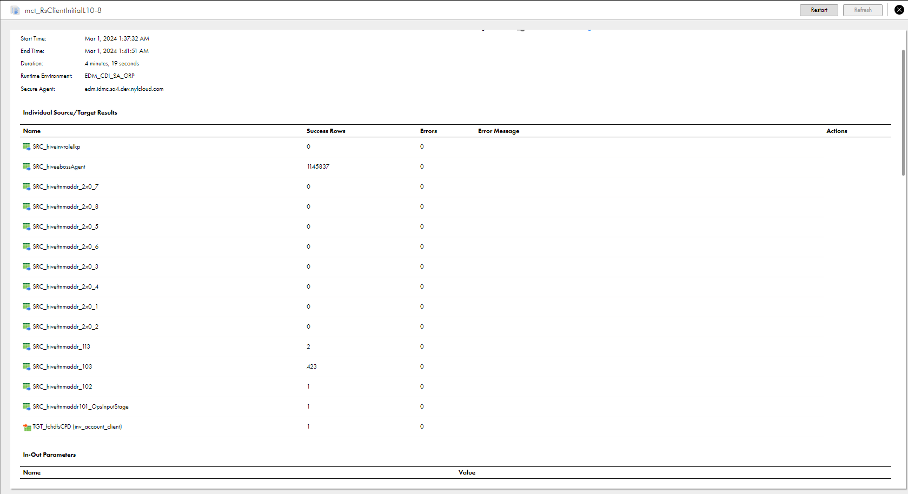

Snowflake DB SS

